Sample Application Form
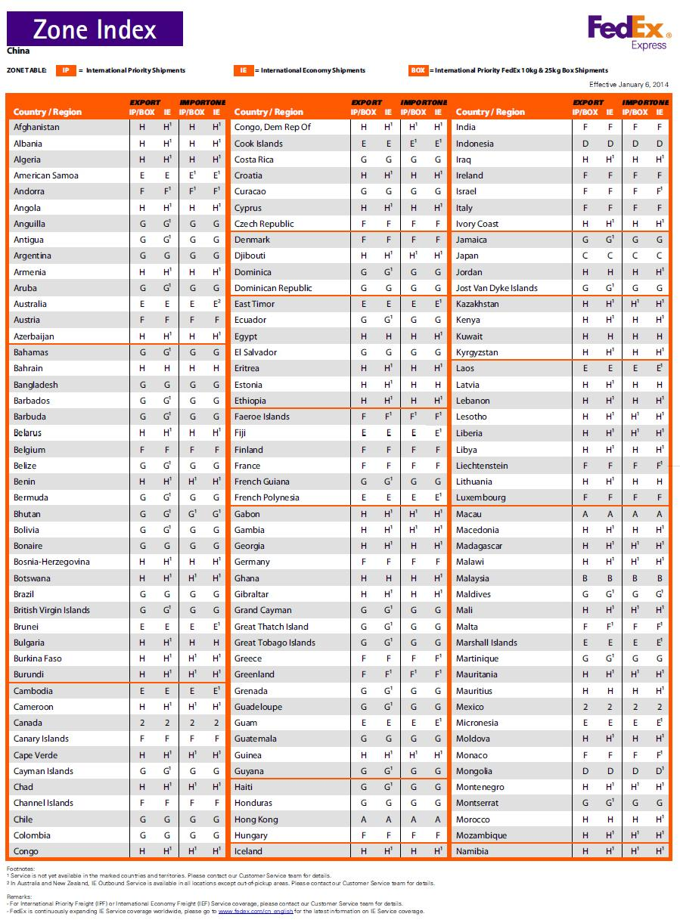
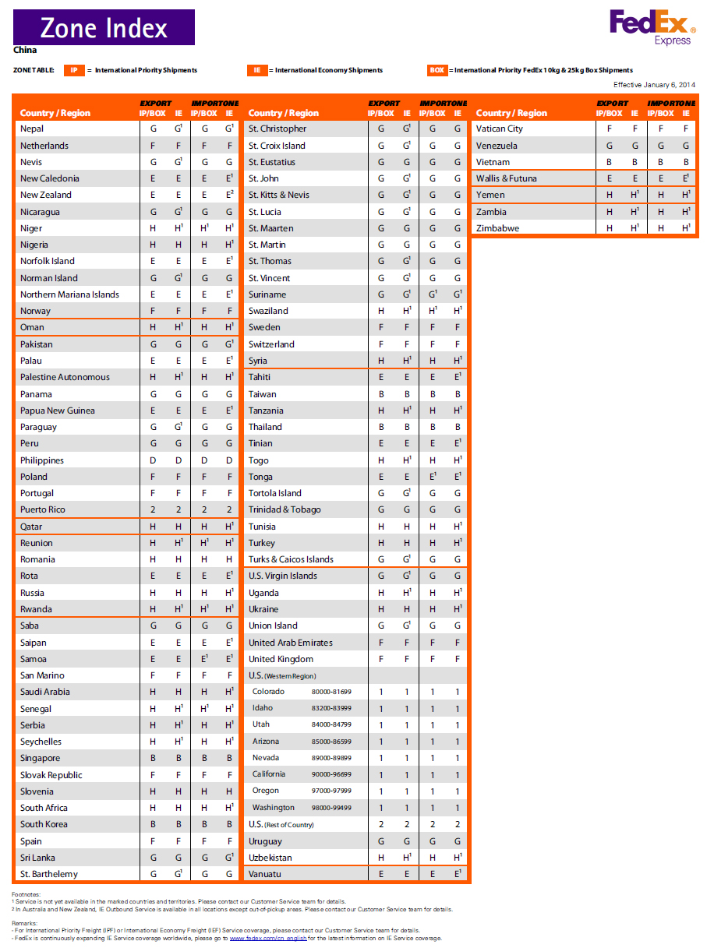
Sample Application Form_A (Express chennel)
Applicant Detail |  |  | Date |  | VAT NO
Company name |  |  | Contact person |  | Position
Country |  |  | Fax |  | Employee Number
Tel |  | Address
Shipping Account |  |  |  | If "Shipping Account" is not available,Please complete the section of "Shipping Cost".
Company Website |  |  | Company E-mail
Bussiness type | manufacturer x R&Dx □other x Cheesemaker_________________________
Please complete the applicable part below.
Please complete the applicable part below.
a. Industry & Product
b. Project
c. Distributor area
Proforma invoice and Payment |  |  |  | Number
Account Name | Malpure Pty Ltd |  | Prepared By: Wendy Jiang | The minimum to quote as the account number is the 6 digits (6xxxxx) and the Currency
Account Number | 11985609
Beneficiary Bank | Commonwealth Bank of Australia
Bank address | 201 Sussex Street, Sydney, NSW 2000, Australia |  |  | IMPORTANT - Please make sure your payment includes all the above details including the BSB number. To keep our office overhead down please ensure your payment amount on TT is in Full amount.
SWIFT CODE | CTBAAU2S
BSB Number | 66000
Paypal Account | wendy@id-innovations.com

estimate your required qty in next 12 months
Sample apply detail |  |  | Maximum items is 1pcs/ item and up to 2 items from below list.
Free Sample item | ID-3LA □ 1pcs | ID-12LA □ 1pcs | ID-20LA □ 1pcs | ID-3HE □ 1pcs | ID-12LA-HE □ 1pcs | ID-20LA-HE □ 1pcs
 | ID-3LA-ISO□ 1pcs | ID-12-LA-ISO 1pcs | ID-20LA-ISO □ 1pcs | ID-3UP □ 1pcs | ID-12UP □ 1pcs | ID-12UP □ 1pcs
 | ID-3LA-ISO□ 1pcs | ID-12-LA-LP□ 1pcs | ID-20WR-MFIA □1pcs | ID-20WR-LF □1pcs | Demo board for MF and WR-LF □1pcs
Extra purchase to help RND speed up.
1 | Product Name |  | Unit price(USD) | Quantity | Cost(USD)
1 | Demo board for SA with 1 ISO card +1 clamshell card |  | $18.00 |  | $0.00
2 | Demo board for UP with 1 ISO card +1 clamshell card |  | $20.00 |  | $0.00
3 | Demo board for LA with 1 ISO card +1 clamshell card |  | $18.00 |  | $0.00
4 | Demo board for MF with 1 ISO card |  | $30.00 |  | $0.00
5 | Demo board for ID-20WR-LF |  | $30.00 |  | $0.00
6 | 0.1” pitch adaptor/breakout board |  | $1.00 |  | $0.00
7 | CL20-a 37*36*3.5mm (Coil for ID-3LA SA, LP, HE,UP) |  | $7.00 |  | $0.00
8 | CL20-b 37*36*3.5mm (Coil for ID-3LA ISO) |  | $7.00 |  | $0.00
9 | CL40-a 72*112*6.5mm (Coil for SA, LP, HE, UP) |  | $10.00 |  | $0.00
10 | CL40-b 72*112*6.5mm ( Coil for ISO) |  | $10.00 |  | $0.00
11 | ISO CARD (13.56KHZ, 125KHZ) |  | $2.00 |  | $0.00
12 | Shipping |  |  |  | $0.00
Insurance fee | Delate "1" for the item not applicable | $15.00 | 1 |  | $15.00
Paypal cost | Delate "1" for the item not applicable | $2.02 | 1 |  | $2.02
Bank cost |  | $30.00 | 1 |  | $30.00
 |  |  |  | Total | US$32.02

If you like to tell us more, please write here.


Shipping Cost （The shipment can be arranged through TNT only, post office serivce is unavalable )
Express Shipping Cost through TNT ( 3-5 days)
Please refer to next form"Zone index" (see below Zone index)
Zone index |  | Please fill the shipment QTY at your location zone |  | RATE(USD) | Shipping Cost (USD)
A |  |  |  | $51.61 | $0.00
B |  |  |  | $55.19 | $0.00
D |  |  |  | $63.14 | $0.00
E |  |  |  | $63.34 | $0.00
F |  |  |  | $73.86 | $0.00
G |  |  |  | $78.96 | $0.00
H |  |  |  | $79.69 | $0.00
M |  |  |  | $44.68 | $0.00
N |  |  |  | $55.49 | $0.00
O |  |  |  | $61.06 | $0.00
Q |  |  |  | $52.70 | $0.00
R |  |  |  | $36.16 | $0.00
S |  |  |  | $48.64 | $0.00
T |  |  |  | $48.64 | $0.00
U |  |  |  | $53.64 | $0.00
V |  |  |  | $39.50 | $0.00
X |  |  |  | $46.16 | $0.00
Y |  |  |  | $52.76 | $0.00
Z |  |  |  | $45.60 | $0.00
1 |  |  |  | $48.26 | $0.00
2 |  |  |  | $48.26 | $0.00
Remote Area Shurcharge |  |  |  | $48.90 | $0.00
Total shipping cost |  |  |  |  | $0.00
Please Pay total shipping cost to our paypal account wendy@id-innovations.com, the leading time is up to 5 working days after payment.

Terms:
1) Unless otherwise stated, the above gooods are sold subject to the condition that it is the customers responsability to ensure that compliance to local Electronic conformity/manufacturing and Emission standards are met.
2) Liability shall be limited to replacement of defective parts within a time of 1 year from date of purchase.
3)Unless otherwise stated the ownership of the goods will be transferred to the buyer at the time of acceptance of goods by the buyer's carrier. Customers are therefore advised to insure all goods for loss or damage.
4)A copy of the full terms and conditions is obtainable from ID Innovations head office.
5)Sample applicant agrees to pay for any local import duty or tax.

